1. Title Page
[Instacart Grocery Basket Analysis]

Project Name: Instacart Grocery Basket Analysis
Date: 27.11.2024
Analyst Name: Novia Tirta Rahayu Tijaja

 | Contents:
 | Population Flow
 | Consistency checks
 | Wrangling steps
 | Column derivations
 | Visualizations
 | Recommendations

Data Source
The analysis in this report is based on the following dataset:
“The Instacart Online Grocery Shopping Dataset 2017,” Accessed from www.instacart.com/datasets/grocery-shopping-2017 via Kaggle on 19 November 2024.

Fabricated Data
The following portions of the dataset were fabricated for the purpose of this course and are not part of the original Instacart dataset:
1. Customer data explored in Exercises 4.9 and 4.10.
2. The "prices" column in the products dataset.
This fabricated data is included solely for educational purposes in this course and does not represent real customer data or product prices.

2. Population Flow
Title page

Population flow

Exclusion flag
Condition: max_order < 5
Obervations to be removed: 1440295
Final total count of order_products_all: 30964564

Orders_products_combined
Orders_products_merged
Orders_products_all

Total: 32404859
Total: 32434489
Total: 32404859

1.) The grey boxes in the first row of the population flow represent the original data sets as they were when you downloaded them. In the Total fields you need to add the count of the rows when you imported the data set into Jupyter.
2.) The second row of boxes (coloured) represents the data sets after you manipulated them, e.g., removed missing values and duplicates. In the Total fields you need to add the count of the rows after conducting these operations. This offers a visual oveview of how the data flows throughout the data consistency checks.
3.) The third row, where also the arrows are coloured, represents the merges you performed between the datasets. In the Total fields you need to add the count of the rows in the merged datasets, so that you end up with the final dataset (in the red box). Keep in mind the final dataset should be without exclusions (based on the exclusion flag).

3. Consistency checks
 |  |  |  |  | Title page
Consistency checks

Dataset | Missing values | Missing values treatment | Duplicates | Addtional Checks
orders | 206209 | impute 0 because the missing values represent the first order made by each user | 0
products | 16 | view only the missing value | 5
orders_products_prior | 0 |  | 0
customers | 0 |  | 0
departments | 0 |  | 0
ords_prods_merge | 0 |  | 0 | Crosstab analysis conducted between days_since_prior_order and order_number to ensure data consistency and patterns.

4. Wrangling steps
 |  |  |  | Title page
Wrangling steps

Columns dropped | Columns renamed | Columns' type changed | Comment/Reason
eval_set |  |  | it is not relevant for the analysis
 | order_dow' renamed into 'orders_day_of_week' |  | the new name is more expalantory
 |  | order_id | changed into string because id is an identifier, not a number for calculations
 |  | first_name | changed into string because id is an identifier, not a number for calculations
first_name |  |  | to address any PII data, as the user_id column is already available.
surname |  |  | to address any PII data, as the user_id column is already available.

5. Column derivations
 |  |  |  | Title page

Column derivations and aggregations

In this tab you should add tables below that the frequences of flags/label variables that you produced after deriving them. NB: don't do this for continuous variables, only for flags.
Dataset | New column | Column/s it was derived from | Conditions
orders_products_all | price_range_loc | prices | Low: prices < 5, Medium: 5 <= prices < 10, High: prices >= 10
orders_products_all | busiest_day | orders_day_of_week | Based on the most frequent purchase day per user
orders_products_all | busiest_days_category | busiest_day | Most, Average, or Fewest orders by day
orders_products_all | busiest_period_of_day | order_hour_of_day | Morning: 5-11, Afternoon: 12-17, Evening: 18-23
orders_products_all | loyalty_flag | max_order | Loyal: max_order > 20, Regular: 10 <= max_order <= 20, New: max_order < 10
orders_products_all | spending_flag | avg_price_per_user | High spender: avg_price_per_user > 10, Low spender: avg_price_per_user <= 10
orders_products_all | order_frequency_flag | median_days_since_order | Frequent: median_days_since_order < 10, Regular: 10 <= median_days_since_order <= 20, Infrequent: > 20
orders_products_all | northeast_flag | state | 1 if state is in Northeast, else 0
orders_products_all | midwest_flag | state | 1 if state is in Midwest, else 0
orders_products_all | south_flag | state | 1 if state is in South, else 0
orders_products_all | west_flag | state | 1 if state is in West, else 0
orders_products_all | exclusion_flag | max_order | 1 if max_order < 5 (low-activity customers), else 0
orders_products_all | profile | age, num_dependants | Derived based on age and dependents criteria
orders_products_all | income_level | income | Budget: income < 50K, Regular: 50K <= income < 100K, High: income >= 100K

6. Visualizations
 |  |  |  | Title page

Visualisations

In this tab you should include all the visualtions from Exercises 4.9 and 4.10, alongside the questions from the project brief that they answer. Include any commentary on the relationship between different variables.

The sales team needs to know what the busiest days of the week and hours of the times when there are fewer orders
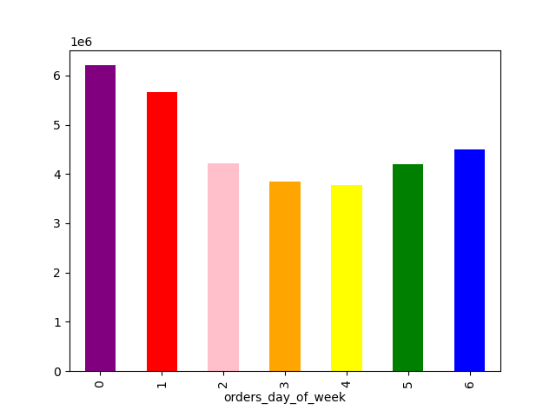
Order Volume by Day of the Week
 | The distribution of orders by day of the week shows that Saturday (0) has the highest number of orders at 6,204,182, followed by Sunday (1) with 5,660,230. This suggests that weekends are the busiest shopping days, likely due to customers having more free time to make purchases. Conversely, Wednesday (4) is the least busy day, with 3,783,802 orders, indicating a midweek lull in activity. This trend highlights a clear preference for weekend shopping compared to weekdays, with Friday (6) acting as a transitional day leading into the weekend.

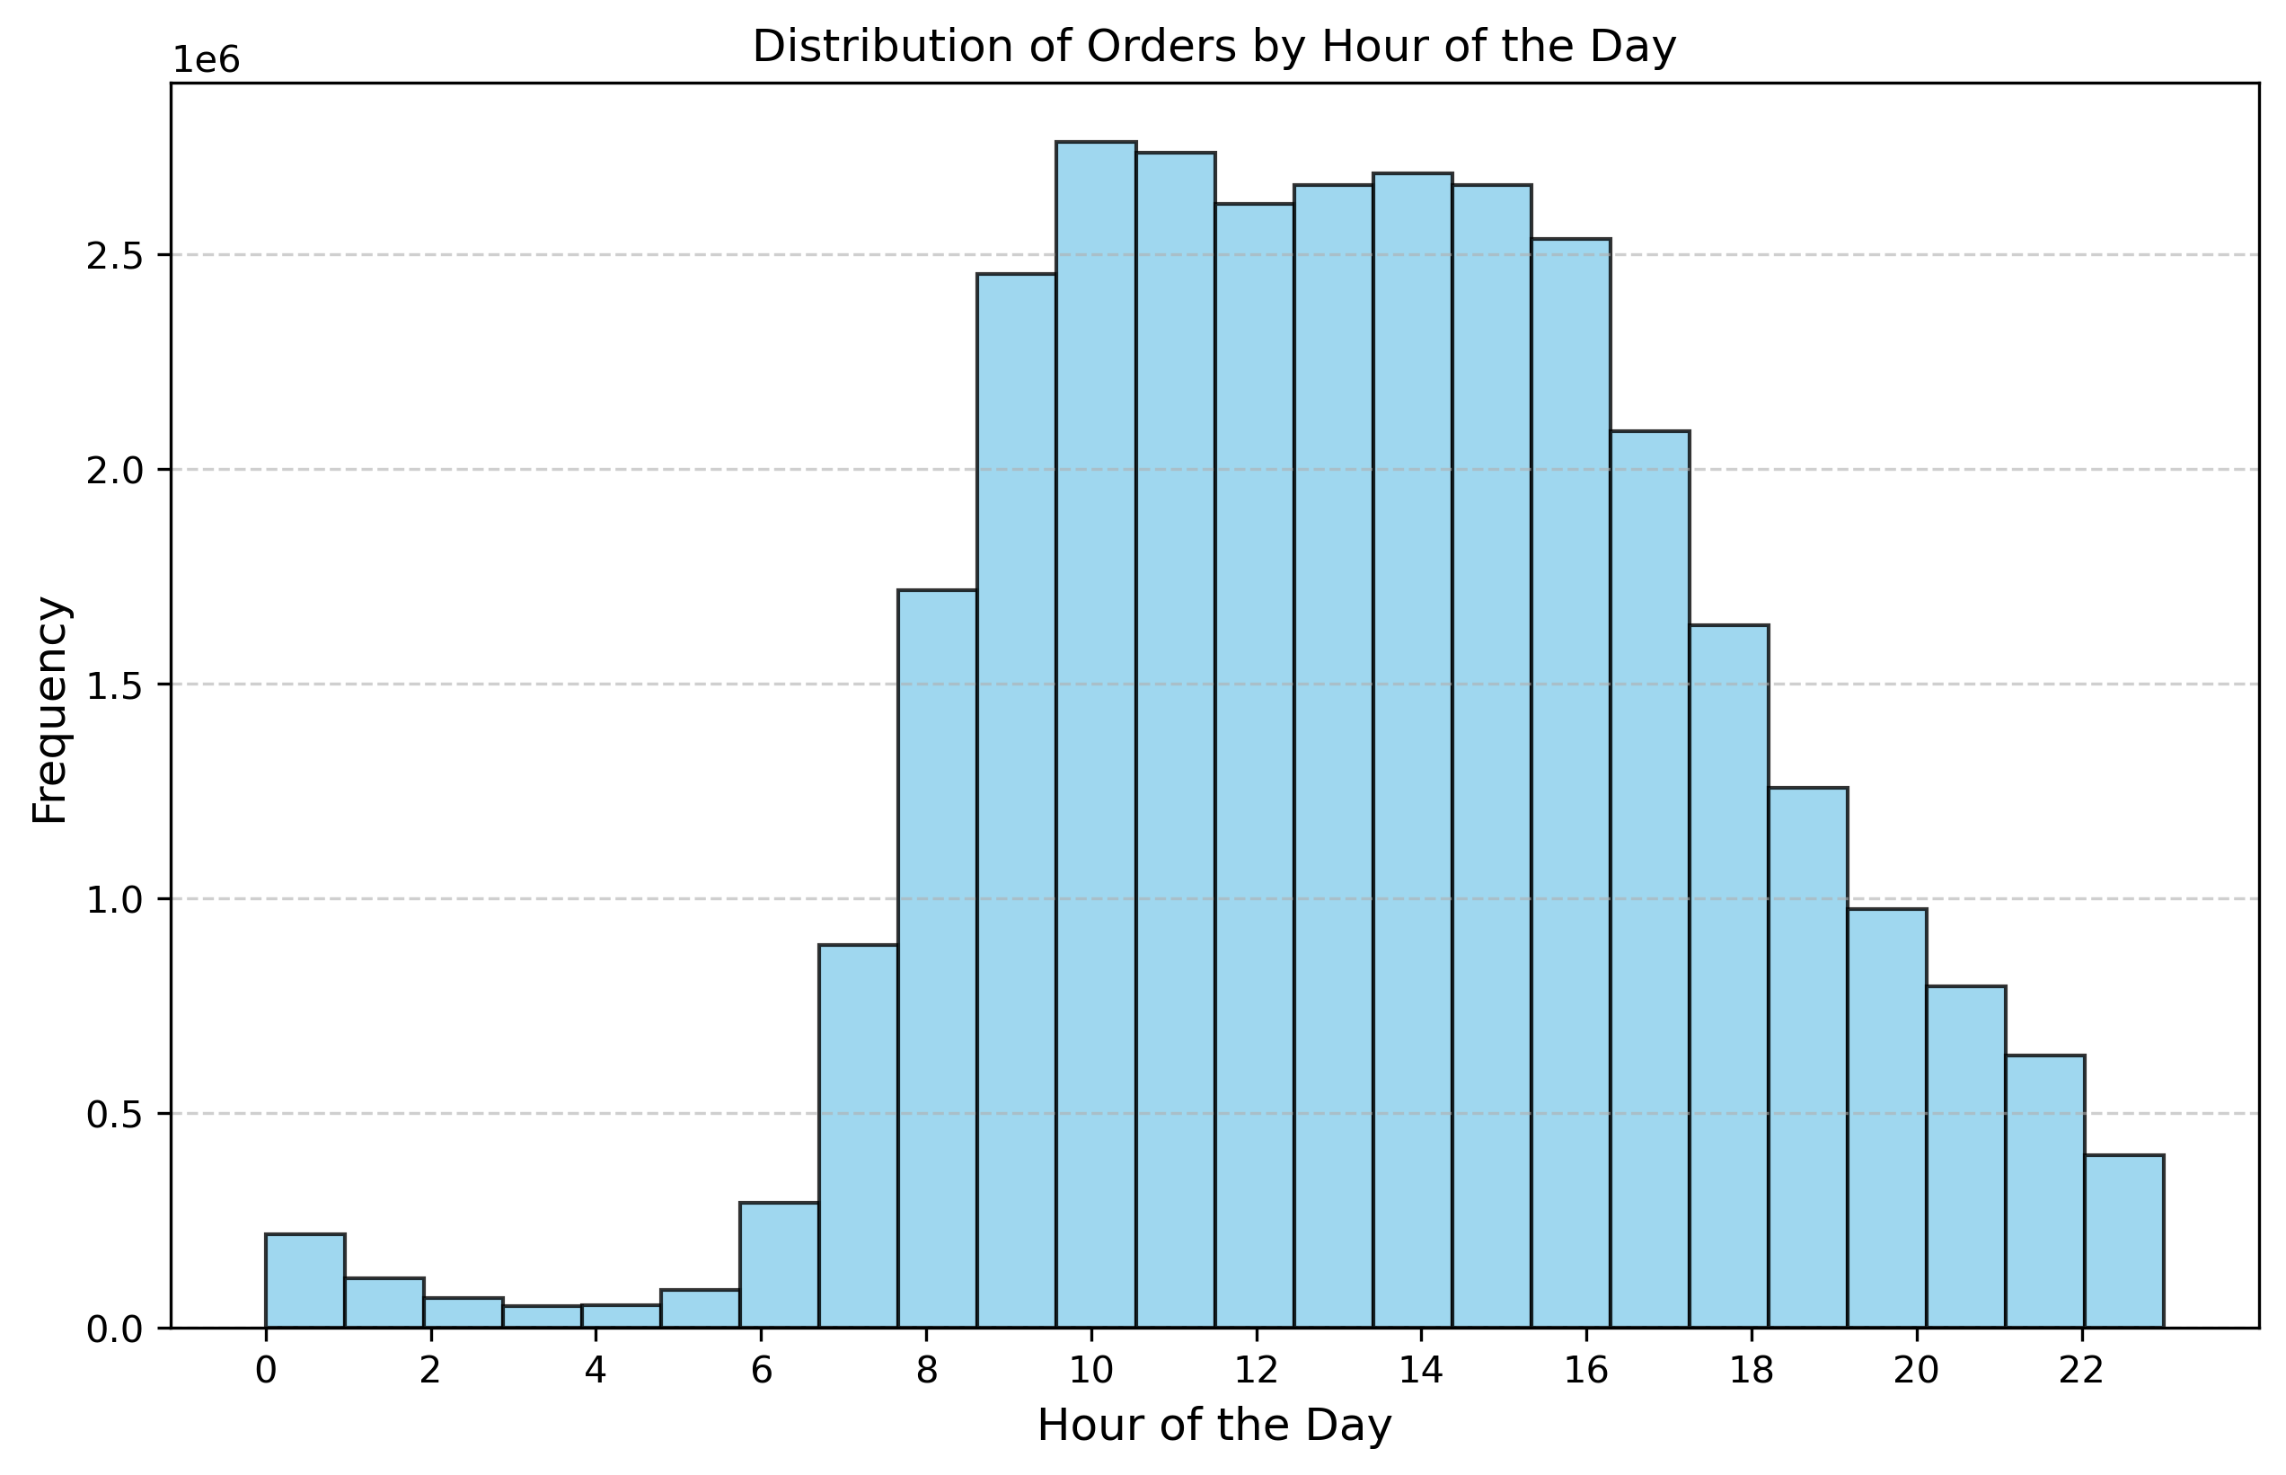 |  | The histogram shows that the peak order activity occurs between 10:00 and 15:00, indicating that mid-morning to early afternoon is the busiest time for customers. Order frequency declines steadily after 15:00, with the least activity during late-night and early-morning hours (0:00–6:00). This trend reflects customer behavior tied to typical daily routines and can help stakeholders optimize staffing, delivery schedules, and promotions during peak hours.

They also want to know whether there are particular times of the day when people spend the most money, as this might inform the type of products they advertise at these times.

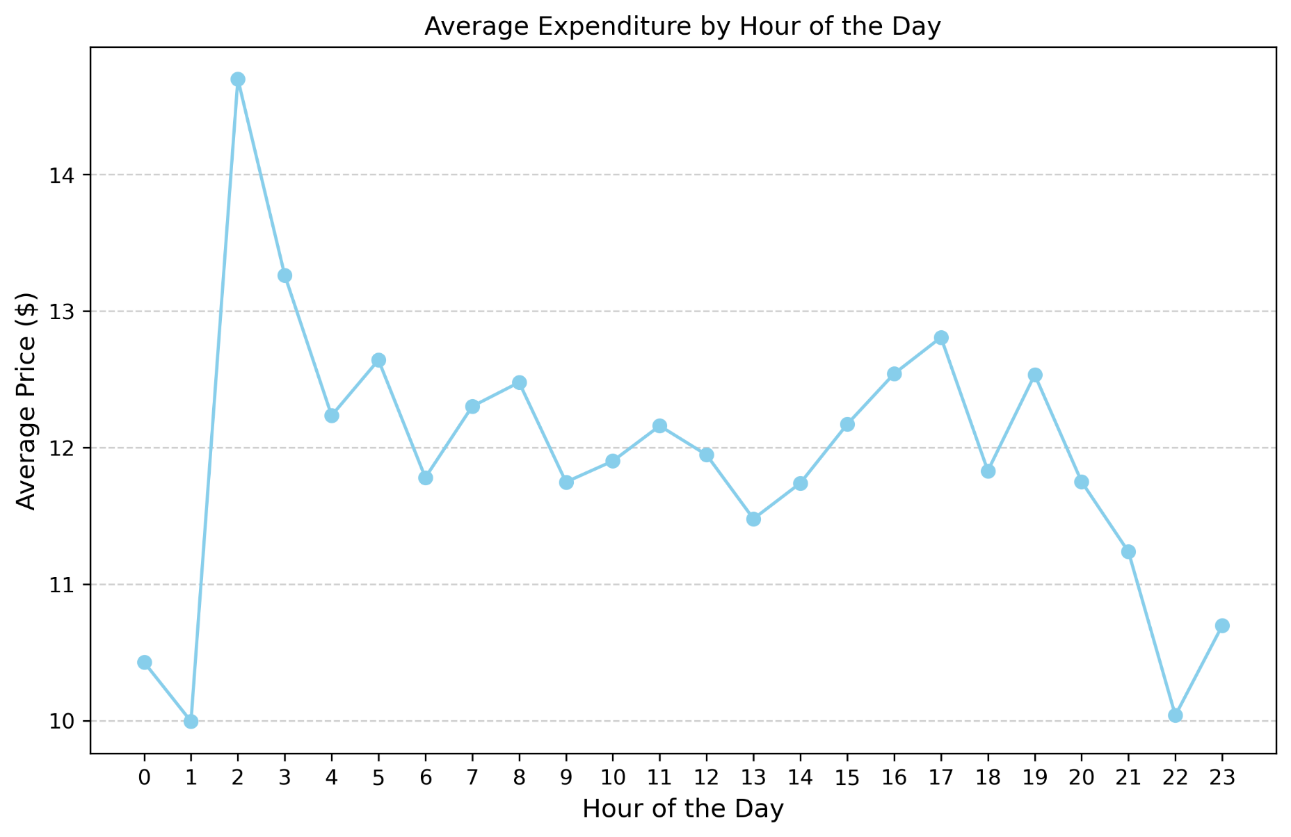 |  | The average expenditure by hour of the day shows distinct spending patterns, with a notable peak at 2 AM, potentially driven by unique customer behavior or high-value purchases, while spending remains steady from 6 AM to 8 PM, reflecting consistent activity during typical shopping hours. Late-night hours (11 PM to 1 AM) and early morning hours (3 AM to 5 AM) see significantly lower spending, likely due to reduced shopping activity. These patterns suggest opportunities to target high-expenditure hours with premium advertisements and utilize promotions to boost spending during low-activity times.

Are there certain types of products that are more popular than others? The marketing and sales teams want to know which departments have the highest frequency of product orders.
Are there differences in ordering habits based on a customer’s region?

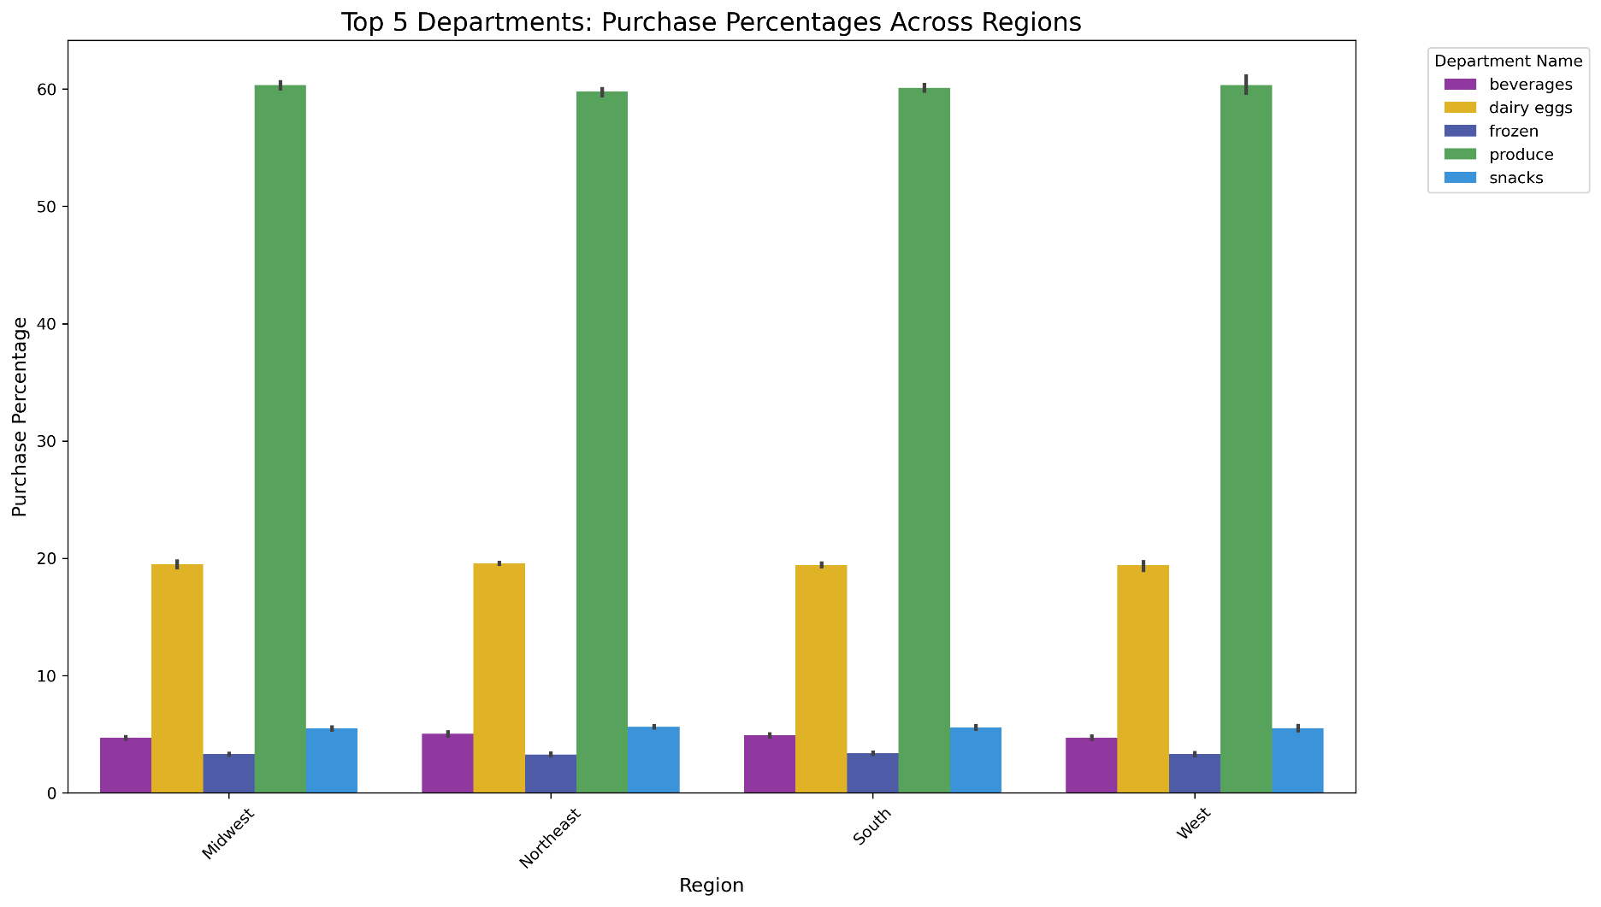 |  | The visualization shows that produce consistently dominates as the department with the highest purchase percentages across all regions, indicating its popularity among customers. Following produce, dairy eggs and snacks are also highly purchased categories, though they vary slightly in ranking by region. Frozen and beverages appear less frequently but still remain significant contributors. This data highlights the strong preference for fresh produce and staples like dairy and snacks, making them prime candidates for focused marketing and promotional efforts. | Purchase Percentages Across Regions visualization highlights both consistent and region-specific ordering habits. Produce dominates purchases across all regions, showcasing its universal appeal, while dairy eggs consistently rank second, with higher prominence in the Midwest and South compared to the Northeast and West. Departments like snacks, frozen, and beverages show more subtle variations, reflecting regional preferences. These findings suggest that while some habits are consistent, regional differences in purchasing behavior can guide Instacart's targeted marketing strategies for specific product categories in different regions.

The marketing and sales teams are particularly interested in the different types of customers in their system and how their ordering behaviors differ. For example:

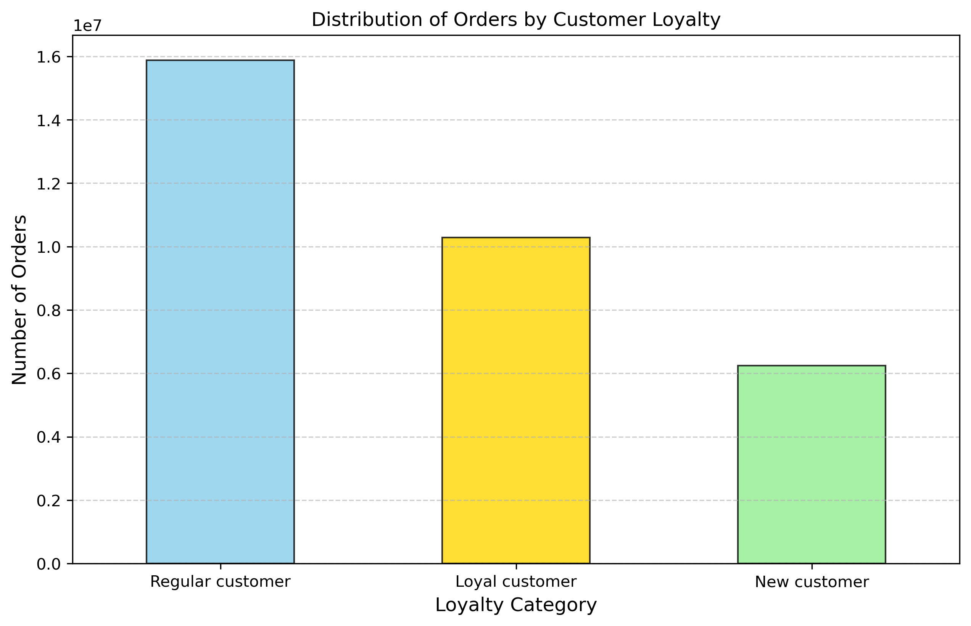
 |  | What’s the distribution among users in regards to their brand loyalty? The bar chart shows that regular customers make the majority of orders, followed by loyal customers, with new customers contributing the least. This distribution highlights the significance of maintaining and engaging regular customers. | Are there differences in ordering habits based on a customer’s loyalty status? The differences in order volume clearly indicate varied behaviors based on loyalty status. Regular customers dominate order frequency, suggesting consistent shopping habits, while loyal customers contribute significantly but with slightly less frequency. New customers show lower engagement, representing an untapped opportunity for growth.

Is there a connection between age and family status in terms of ordering habits?

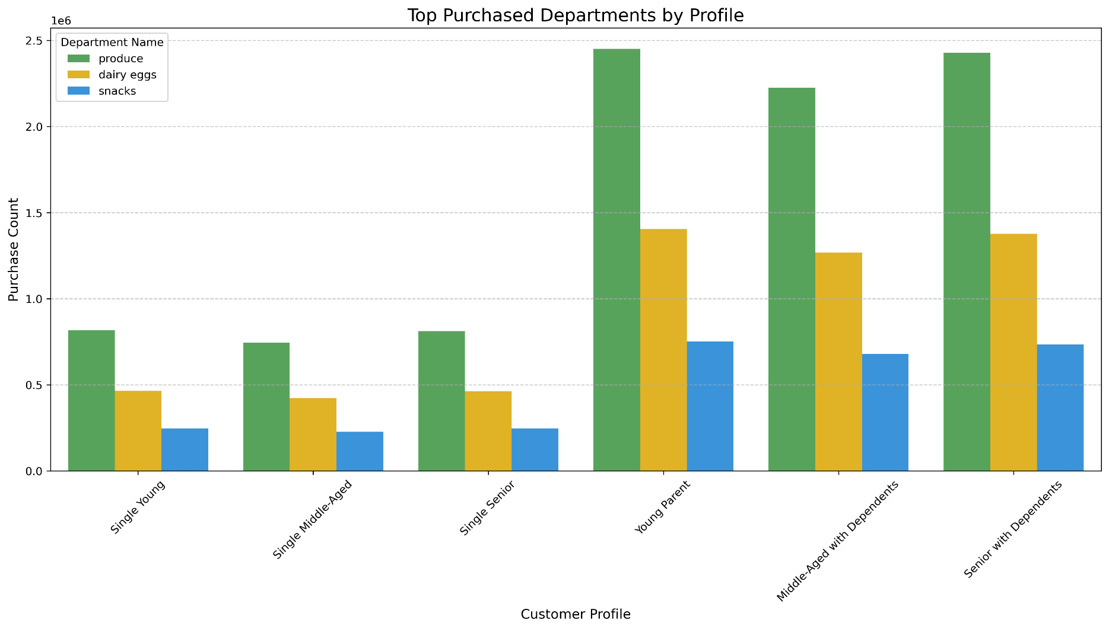 |  | The visualization shows that "Produce" is the most purchased department across all customer profiles, indicating its universal importance. Young Parents have the highest purchase volumes overall, particularly for "Produce" and "Dairy Eggs," followed by Middle-Aged and Senior customers with dependents. In contrast, Single profiles consistently exhibit lower purchase volumes across all departments, while "Snacks" remain the least purchased category for all profiles. To capitalize on these trends, targeted marketing campaigns should focus on promoting produce and dairy to high-volume profiles like families.

What different classifications does the demographic information suggest? Age? Income? Certain types of goods? Family status?
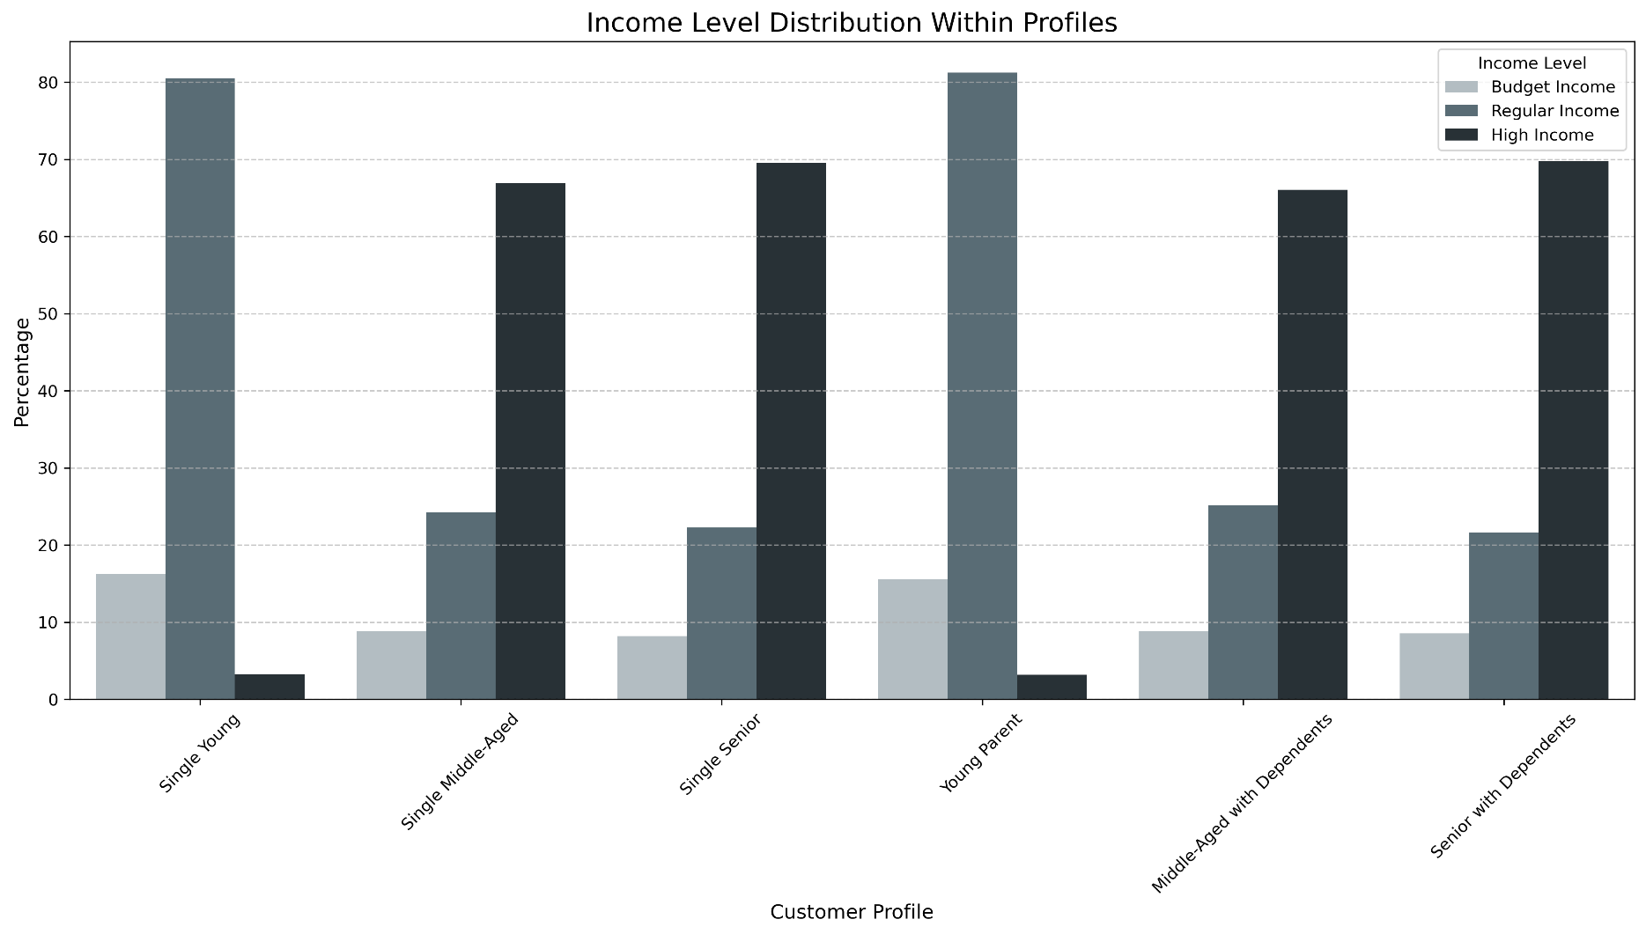 |  | The visualization reveals distinct income patterns across customer profiles. Younger profiles, including "Single Young" and "Young Parent," are predominantly composed of individuals with Regular Income, accounting for over 80% in both groups. In contrast, middle-aged and senior profiles, such as "Single Middle-Aged" (66.9% High Income) and "Single Senior" (69.6% High Income), are largely dominated by high-income individuals. This may suggest that older, wealthier customers are more likely to be tech-savvy and utilize Instacart's online services, while younger customers, even with lower incomes, still represent significant users of the platform. Budget Income remains a smaller share across all profiles, with its highest presence in younger groups.

What differences can you find in ordering habits of different customer profiles? Consider the price of orders, the frequency of orders, the products customers are ordering, and anything else you can think of.
Different profiles show clear distinctions in purchasing habits. Younger profiles (e.g., "Single Young" and "Young Parents") focus on frequent, mid-range purchases of snacks and baby products. Older profiles, especially those with dependents, tend to buy more high-priced goods and focus on essentials like produce and dairy. Seniors are more consistent in their shopping habits, whereas younger profiles may exhibit more sporadic patterns based on needs. Understanding these habits can help tailor marketing strategies and product recommendations for each customer group.

7. Recommendations
 |  |  | Title page

Recommendations

In this tab you should include any recommendations you would made to Instcart in terms of their marketing strategy based on the questions posed in the brief. Every key question has been covered in the Tasks of the Exercises - here you need to add an item - a visualisation or table/crosstable that is showing the answer in the data, acompanied by a comment from you. Please, list the questions below and add the answer underneath.

Question | Answer | Visualization
The sales team needs to know what the busiest days of the week and hours of the times when there are fewer orders | To optimize resources and increase sales, Instacart should focus on improving operational efficiency and customer engagement based on order trends. For days of the week, prioritize staffing and delivery logistics for weekends, particularly Saturday and Sunday, as they see the highest order volumes. On the other hand, schedule targeted promotions or discounts on less busy days like Wednesday to boost midweek activity. For hourly trends, enhance staffing and delivery readiness during peak hours between 10:00 and 15:00, while introducing special offers or incentives during off-peak hours, such as late at night (0:00–6:00) or in the late afternoon post-15:00, to encourage shopping during quieter periods. This balanced strategy can optimize both operations and revenue. | Order Volume by Day of the Week and Distribution of Orders by Hour of the Day
They also want to know whether there are particular times of the day when people spend the most money, as this might inform the type of products they advertise at these times. | To capitalize on spending patterns, Instacart should implement targeted advertising strategies. Premium or luxury product advertisements can be scheduled during high-expenditure times, such as around 2 AM. Meanwhile, promotions or discounts for essential or commonly purchased items can be employed during low-expenditure periods (11 PM to 1 AM and 3 AM to 5 AM) to stimulate customer activity. This dual approach could maximize revenue by leveraging peak spending hours and boosting activity during slower periods. | Average Expenditure by Hour of the Day
Instacart has a lot of products with different price tags. Marketing and sales want to use simpler price range groupings to help direct their efforts. | The frequency of the price_range_loc categories as previously noted: Mid-range product: 21,860,860 Low-range product: 10,126,321 High-range product: 417,678 The analysis of price_range_loc categorization shows that mid-range products dominate customer purchases, accounting for the majority of orders. Low-range products also hold a significant share, while high-range products contribute minimally to overall sales. This indicates that customers are primarily focused on affordable to moderately priced items, with fewer purchases of premium-priced goods. By grouping products into these simpler price ranges, Instacart can tailor its marketing and sales strategies more effectively. For instance, promotions and discounts could be focused on low-range products to attract cost-conscious customers, while targeted advertisements and loyalty incentives could be designed to boost sales of high-range products. Furthermore, bundling mid-range products with complementary items may enhance customer satisfaction and increase basket sizes.
Are there certain types of products that are more popular than others? The marketing and sales teams want to know which departments have the highest frequency of product orders. | Focus marketing efforts on promoting produce, dairy eggs, and snacks, as these departments consistently account for the majority of customer purchases across all regions. Highlight the freshness and quality of produce in campaigns, while positioning dairy and snack products for cross-selling opportunities. For frozen and beverages, consider targeted promotions to increase their visibility and attract more customers to these categories. | Top 5 Departments: Purchase Percentages Across Regions
The marketing and sales teams are particularly interested in the different types of customers in their system and how their ordering behaviors differ. For example: What’s the distribution among users in regards to their brand loyalty? | Instacart should prioritize strategies to maintain regular customers as they form the largest portion of their customer base. Personalized promotions, loyalty rewards, and targeted engagement strategies can help sustain their high order frequency. For loyal customers, enhancing their shopping experience through exclusive perks or early access to discounts could further strengthen their connection to the brand. To increase the contribution of new customers, Instacart should focus on onboarding initiatives, such as welcome discounts and curated shopping suggestions, to encourage repeat purchases and convert them into regular or loyal customers over time. | Distribution of Orders by Customer Loyalty
Are there differences in ordering habits based on a customer’s loyalty status? | To address the observed differences in ordering habits, Instacart should tailor its marketing strategies to each loyalty category. For regular customers, maintaining consistent engagement through personalized product recommendations and seasonal promotions is essential to reinforce their shopping habits. Loyal customers, who already demonstrate frequent purchases, could be further incentivized with loyalty tier rewards or exclusive access to premium products. For new customers, targeted onboarding campaigns, such as guided shopping experiences, discounts on first orders, or bundled deals, could help drive engagement and transition them into more active regular or loyal customers. | Distribution of Orders by Customer Loyalty
Are there differences in ordering habits based on a customer’s region? | Leverage the universal appeal of produce by maintaining strong promotional campaigns across all regions. However, tailor marketing strategies to highlight dairy eggs in the Midwest and South, where its purchase percentage is higher. For regions with subtle variations in snacks, frozen goods, and beverages, introduce region-specific promotions or highlight popular brands to align with customer preferences. This dual approach ensures both broad-based engagement and targeted campaigns that resonate with regional customer needs. | Top 5 Departments: Purchase Percentages Across Regions
Is there a connection between age and family status in terms of ordering habits? | Instacart should design marketing strategies tailored to the purchasing behaviors of different customer profiles. Young Parents and customers with dependents represent the most significant purchase volumes, particularly in categories like produce and dairy eggs, making them ideal targets for bulk discounts, family-oriented bundles, and seasonal promotions. For Single profiles, where purchase volumes are consistently lower, campaigns could emphasize convenience products or ready-to-eat meals, which align with the likely needs of smaller households. Additionally, highlighting snacks in bundled offers or as impulse buys may help boost sales in this category. | Top Purchased Deparments by Profile
What different classifications does the demographic information suggest? Age? Income? Certain types of goods? Family status? | Tailor marketing strategies to target specific demographics based on their income and age profiles. For younger customers, focus on cost-effective campaigns and promotions for regular-income segments, emphasizing convenience and affordability. Highlight staple products and everyday essentials to capture their attention. For older, high-income customers, promote premium products and services, such as personalized shopping experiences or exclusive offers. Additionally, encourage engagement with budget-income customers by providing discounts or loyalty incentives, particularly for products they commonly purchase, such as snacks and pantry items. This approach can effectively address the needs of diverse demographic groups and maximize Instacart's customer reach. | Income Level Distribution Within Profiles
What differences can you find in ordering habits of different customer profiles? Consider the price of orders, the frequency of orders, the products customers are ordering, and anything else you can think of. | Develop personalized marketing campaigns that reflect the distinct purchasing habits of each customer profile. For younger profiles like "Single Young" and "Young Parents," promote mid-range and essential products such as snacks and baby items, along with time-limited deals to encourage frequent purchases. For older profiles, especially those with dependents, focus on advertising high-priced essentials like fresh produce and dairy. Leverage the consistent shopping habits of seniors by offering subscription-based services or loyalty rewards for their frequently purchased items. Overall, using targeted product recommendations and promotions for each group can maximize customer engagement and order volume.

